Sheet1
category_id | prod_name | prod_feature 1 | prod_feature 2 | prod_feature 3 | prod_feature 4 | prod_price | prod_image | prod_in_stock
1 Lawn & Garden | Craftsman Lawn Mower | spark plug provides easier starting | Precision plus cutting system for high performance bagging and mulching | Dual point deck height adjusters with six positions for quick height adjustments | Unit comes fully assembled | $219.99 |  | In Stock
1 Lawn & Garden | Garden Lawn Aerator Roller | A fast and efficient way to keep your lawn aerated | Breathes new life into your lawn without harmful and expensive chemicals | Easy-rolling lawn aerator lets air, water and nutrients reach grass roots | This Rolling lawn aerator helps you grow a lush, green lawn | $49.99 |  | In Stock
1 Lawn & Garden | Heavy-Duty Walk-In 2-Tier 12-Shelf Portable Greenhouse | 75"H x 49"W x 98"D | Lightweight and easy to assemble | Special heavy-duty, high-quality plastic connectors for easy assembly | Double sized to give you even more space | $122.28 |  | In Stock
1 Lawn & Garden | Agri-Fab, Inc. 350 lb. Steel Tow Behind Lawn and Garden Cart | Up to 500 lb. capacity | 13" x 4" pneumatic tires | 18-gauge removable tailgate | Single-lever release dump mechanism | $129.99 |  | In Stock
1 Lawn & Garden | Easy Roller Jr. Lawn Cart | All-poly construction with solid steel axle | Extra-wide wheel base with wide wheels | Recessed tool tray and tool clips on sides | 200 pound capacity | $73.40 |  | In Stock
1 Lawn & Garden | Multi-Use Lawn and Garden Pump Sprayer | For all your home and garden needs. | Safe, pressure release cap sends vapors and liquids down and away before top is opened. | The highly efficient pump requires 25% fewer strokes | Includes 3 nozzles for all your spraying needs | $17.00 |  | In Stock
1 Lawn & Garden | Folding Garden Stool | Bag has 7 outer pockets and 1 zipper | Material: polyester, wood and steel | 5 tools included: 11.5" weeder, 10" fork, 11.5" trowel, 11.5" cultivator and 11.5" transplanter | 5 narrow pockets for your tools on one side and 2 pockets on the other side | $19.48 |  | In Stock
1 Lawn & Garden | Upright Evergreen Tree, Lawn and Garden plants | This Blue Point Juniper Tree is densely branched with blue-green foliage | It can be pruned into nice topiary structures to accent patios or entrances | This garden plant tree maintains its natural form with minimal pruning. | When planting it, dig the hole twice as wide as the pot and mix rich garden soil in with your native soil. | $13.48 |  | In Stock
1 Lawn & Garden | 7-Piece Garden Tool Set | Multifunctional gardening set features a detachable, polyester tote | Designed with 20 exterior pockets and 2 interior pockets | Includes a broad trowel, narrow trowel, hand fork, hand cultivator, and poker | Steel frame acts as a stool for breaks or as a holder for your storage bag | $19.99 |  | In Stock
1 Lawn & Garden | Pop Up Lawn and Garden Bag | Participate in the environment in a positive way by using Redmon Green Culture products. | The Pop Up Lawn and Garden Bag is one of the perfect tools. | Made from durable materials and heavy duty construction | Folds flat for storage when not in use. | $11.05 |  | In Stock
2 Grains | Pearl Barley | one of the world's oldest and most treasured grains | Pearl Barley has the bran partially removed before it is polished | Pearled barley retains significant amounts of fiber | Bob's Red Mill Pearl Barley, 30 Oz | $3.84 |  | In Stock
2 Grains | Organic Amaranth Grain | Discover the whole grain goodness of amaranth. | This tiny "grain" actually a seed has a rich history dating back 8,000 years | In the 1500s, Spanish conquistadors attempted to outlaw amaranth in an effort to convert and control the Aztecs. | Amazing ability to grow quickly and thrive in less-than-ideal soil, making it nearly impossible to extinguish. | $6.99 |  | In Stock
2 Grains | Enriched Long Grain Rice | Easy-to-make long grain rice for a variety of healthy dishes | Cooks up in just 1 minute! | Non-GMO Project Verified and Kosher | Great for those with an eye on their cholesterol as well as on the time! | $4.78 | 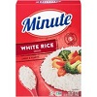 | In Stock
2 Grains | Grain Enriched Rice | Extra long grain enriched brown rice | Naturally low in calories with zero fat, cholesterol or sodium | Nutritious, MSG-free and Gluten-Free — Great source of dietary fiber | Cooks up white and fluffy | $4.48 |  | In Stock
2 Grains | Organic Seven Whole Grains | Made with USDA certified organic ingredients | A delicious blend of wholesome grains | Microwaves in 90 seconds | Free of artificial colors, flavors, and preservatives | $7.09 |  | In Stock
2 Grains | Multi-Grain Medley Rice | Ready in 10 minutes | Microwaveable | 100% whole grain | 0g trans fat | $5.37 | 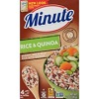 | In Stock
2 Grains | Long Grain Rice | Nutritious, long grain Jasmine Thai rice | Cooks up nice and fluffy | Easy to make and can be prepared in just 15 minutes | Made with non-GMO ingredients and no preservatives | $5.76 | 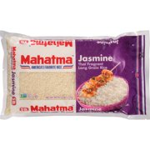 | In Stock
2 Grains | Organic Super Grain Blend | USDA organic | White quinoa, millet | 16 oz of grain blend per package | Carefully selected ingredients with no artificial flavors or preservatives | $7.64 | 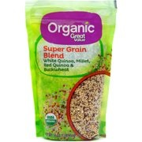 | In Stock
2 Grains | Whole Grain Brown Rice | Cooks in 10 Minutes | Microwaveable | Cooks in 10 Minutes | Instant Whole Grain Brown Rice 28 oz. Box | $10.98 | 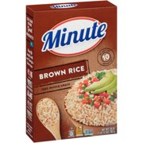 | In Stock
2 Grains | Organic White Quinoa | Try Great Value Organic White Quinoa! | USDA organic | Gluten-free quinoa in a 16 oz package | Excellent substitute for rice and other grains | $7.52 | 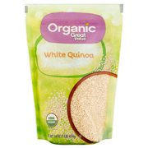 | In Stock
3 Hygience | Bananas: $.39/lb | Enjoy a serving of fresh healthy organic fruits | high amount of vitamin B6 and moderate amounts of other vitamins and minerals. | Fresh ideas and quality ingredients | Marketside offers the best in fresh food | $.39/lb | 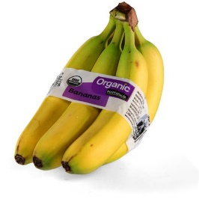 | Out of Stock
3 Hygience | Blackberries | Carton 6 OZ California grown | Product of USA | Always keep your berries refrigerated, and rinse before using. | Calories per gram: Fat 9 •Carbohydrate 4 •Protein 4 | $1.99/6oz | 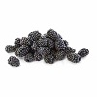 | Out of Stock
3 Hygience | Mushrooms | Naturally fat free, cholesterol free, And low in calories And sodium. | Whole White Mushrooms, 8 oz: | They can be sauteed or cooked in any way or enjoyed raw in salads | Mushrooms are low in calories, fat-free, cholesterol-free, gluten-free, and very low in sodium | $1.50/8oz | 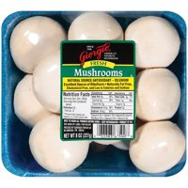 | Out of Stock
3 Hygience | Carrots | 16 oz (1 lb) 454 g All natural. 16 oz (1 lb) 454 g Carrots, 1 lb. | Fresh California Carrots | Approximately 6 carrots per lb. |  | $.65/lb | 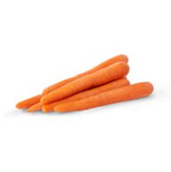 | Out of Stock
3 Hygience | Jacks Gourmet Facon | Facon, Cured Beef Plate | Made with premium quality beef and spices. | Fully cooked. | Drain on paper towel and serve with maple syrup if desired. | $9.48 | 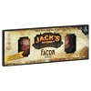 | Out of Stock
3 Hygience | Original Bacon | Original Bacon Product | Arrange slices in single layer between paper towels in microwave-safe dish | Microwave on high (100% power) for 55 to 65 seconds per slice. | Oven cook - From Chilled | $3.12 | 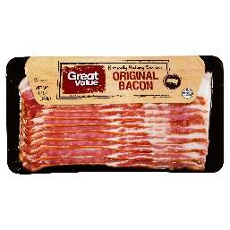 | Out of Stock
3 Hygience | Shrimp | Tail-on, thaw & serve | Sauce included | 51-60 shrimp per pound | Farm raised | 5.99/lb | 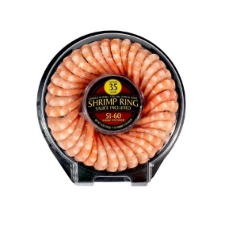 | Out of Stock
3 Hygience | Ground | Get creative with Keystone Ground Beef. | no artificial ingredients or water for high-quality flavor. | contains fully-cooked meat | Perfect For Quick Meals | 2.99/lb | 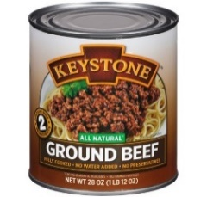 | Out of Stock
3 Hygience | Scallops | Usa Wild Sea Scallops | All Natural Sea Scallops |  |  | 9.99/lb | 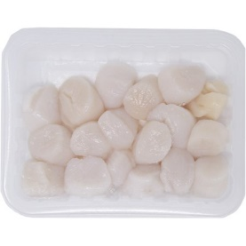 | Out of Stock
3 Hygience | Red Sockeye Salmon | Premium 100% natural quality | A natural source of omega 3 fatty acids | From a MSC certified sustainable fishery | Kosher canned wild Alaskan salmon | $7.97 | 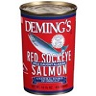 | In Stock
4 Frozen Foods | Four Cheese Ravioli & Chicken Marinara | Savor a quick and delicious meal featuring true steaming technology | Covered in a zesty marinara sauce and topped to perfection with Parmesan cheese | Made with no preservatives | Better choices are made easy with this flavorful meal | $2.84 | 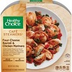 | In Stock
4 Frozen Foods | Sausage & Cheese Stuffed Hash Browns | One package of 4 individually wrapped stuffed hash browns | Hash brown potatoes filled with savory sausage | Crisps from the microwave | Ready in minutes and easy to prepare | $4.98 |  | In Stock
4 Frozen Foods | Grilled Chicken & Broccoli Alfredo | Savor a quick and delicious culinary | Tender, 100% natural chicken breast mixed with broccoli and tossed with a rich | This flavorful meal is perfect on the go for a power lunch or a delicious and easy | 0g trans fat, and 28g protein; contains milk and soy. | $2.97 |  | In Stock
4 Frozen Foods | Fully Cooked Chicken Nuggets | One 32 oz. package of Chicken Nuggets | All-natural | 14 grams of protein per serving | 0 grams of trans fat per serving | $4.97 |  | In Stock
4 Frozen Foods | Frozen Blackened Chicken Alfredo | Frozen pasta meal from Zatarain’s | Features blackened chicken and penne pasta in a zesty, creamy cheese sauce | A New Orleans twist on classic chicken alfredo | Grilled white meat chicken is seasoned just right with blackened seasoning | $5.97 | 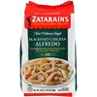 | In Stock
4 Frozen Foods | Creamy Spinach & Tomato Linguini | Savor a quick and delicious culinary | Treat your taste buds with this delicious dish featuring al dente linguini | Inspired by modern recipes and made with no artificial ingredients | 0g trans fat, and 10g protein; contains milk and wheat. | $2.97 | 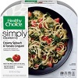 | In Stock
4 Frozen Foods | Fully Cooked Crispy Frozen Chicken Strips | Delicious, high-quality frozen chicken from a trusted brand | Excellent source of protein made with chicken raised with no antibiotics ever | Make delicious chicken in minutes | Fully cooked chicken with unlimited possibilities | $6.68 |  | In Stock
4 Frozen Foods | Cheese Lunch Melt | This easy, high-protein lunch option is now available as a 12 pack | Stock up on this all-time favorite. | It has a blend of mozzarella cheese, parmesan and cheddar cheeses. | Keep your freezer stocked and your diet on track with this tasty microwavable lunch. | $39.99 | 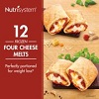 | In Stock
4 Frozen Foods | Fried Chicken Frozen Dinner | Classic Fried Chicken | Tender white and dark chicken portions with home-style mashed potatoes and sweet corn | Try other delicious varieties. | Satisfy your craving. | $3.62 | 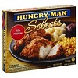 | In Stock
4 Frozen Foods | Roasted Turkey Breast & Stuffing | Enjoy the flavor of a home-cooked meal | Relish each bite of glazed turkey breast tenderloins in gravy | Savor the taste of home straight from your microwave. | Perfect for lunch or dinner | $2.50 | 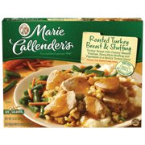 | In Stock
5 Dairy | 100% Grated Parmesan Cheese Shaker | Real Grated Parmesan Cheese | Made with premium quality milk | Easily add flavor to your favorite recipes | Grated for your ease | $6.98 |  | In Stock
5 Dairy | Low-Fat Chocolate Milk | Horizon Organic Chocolate Lowfat Milk 12 Pack | recognizable ingredients | No high fructose corn syrupNo artificial colors | Ideal source of calcium and Vitamin DPack more nutrition in the lunchbox | $11.98 | 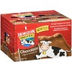 | In Stock
5 Dairy | 100% Grated Parmesan & Romano Cheese Shaker | Real Grated Parmesan & Romano Cheese | Made with premium quality milk | Easily add flavor to your favorite recipes | Grated for your ease | $3.64 |  | In Stock
5 Dairy | The Original Powder Coffee Creamer | Nestle Coffeemate is coffee's perfect mate. | Non-Dairy, Lactose-Free Coffee Creamer | 500 servings of great-tasting Original flavor | Gluten Free, Cholesterol Free | $10.37 |  | In Stock
5 Dairy | Reduced-Fat 2% Milk | Dairy Pure Reduced-Fat 2% Milk | Our Farmers Pledge No Artificial Growth Hormones | No significant difference |  | $4.37 | 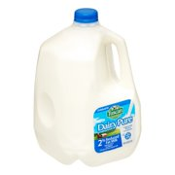 | In Stock
5 Dairy | Queso Blanco Cheese | Mild, Creamy, and Delicious | Creamy texture | Contains: Milk | 70 calories per serving | $4.98 |  | In Stock
5 Dairy | Dairy Creamers | Land O Lakes Mini Moo's Half & Half, sodium citrate, datem | Made with real milk and cream | No refrigeration needed | These Land O Lakes 0.28 fl. oz. | $32.94 |  | In Stock
5 Dairy | Classic Treats for Cats Creamy Dairy Flavor | Contains one (1) 16 oz. tub of TEMPTATIONS Classic Treats for Cats Creamy Dairy Flavor | 100% nutritionally complete and balanced for adult cat maintenance | unique pocket shape | Under 2 calories per treat, | $8.48 | 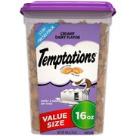 | In Stock
5 Dairy | Digestive Dietary Supplements | Allows you to enjoy dairy | Preventive relief from diarrhea | Take a caplet with your first bite of dairy | Pack contains 60 easy-to-swallow caplets | $6.98 | 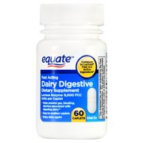 | In Stock
5 Dairy | Pulgra Butter | Butter, Unsalted, European Style | Preferred by leading chefs. | Contains: milk. | 8 oz | $4.99 |  | In Stock
6 Sporting Goods | NBA 54" Portable Angled Basketball Hoop | Board size: 54" x 32" | Polycarbonate board with arena-style padding | Steel board frame | Adjustable basketball hoop | $197.00 |  | In Stock
6 Sporting Goods | Spalding NBA 29.5 Super Tack Basketball | Official size and weight: Size 7, 29.5"; Intermediate: Size 6, 28.5"; and Youth: Size 5, 27.5" | Performance composite cover | Shipped inflated and game-ready | Designed for indoor and outdoor play | $14.96 | 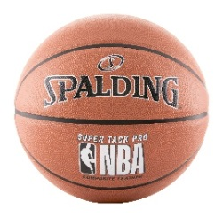 | In Stock
6 Sporting Goods | ESPN Official Size Table Tennis Table with Table Cover | ESPN Official 9' x 5' official tournament sized table with 2-piece construction | 3/4" (18mm) playfield and 1-4/5" | Oversized 3 inch lockable casters | Fold-up design for easy storage | $349.00 | 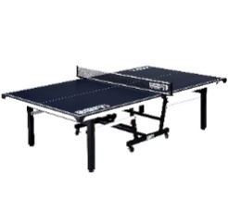 | In Stock
6 Sporting Goods | Products Odyssey Backpack Daypack | Front pocket organizer | Air flow padded back | Foam padded back | Front bungee attachment | $15.63 | 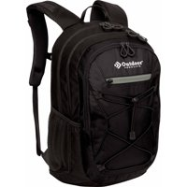 | In Stock
6 Sporting Goods | Adjustable Dumbbells Syncs | Use the Bowflex® SelectTech™ App to journal your strength training. | Space efficient | Select the weight you want with a turn of a dial | Each dumbbell adjusts from 5 to 52 lbs | $299.00 | 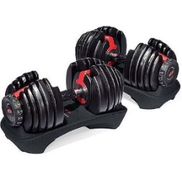 | In Stock
6 Sporting Goods | Olympic Workout Bench | Your bench can be used separately or moved out of the way | Build and develop quads | Build muscle in your upper body | Comfortably isolate your biceps and forearms while ensuring proper exercise form | $169.00 | 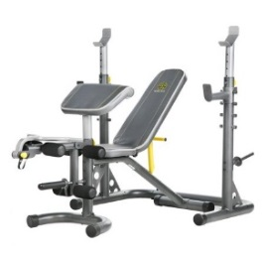 | In Stock
6 Sporting Goods | 100 Sit-On-Top Kayak | Constructed of UV-Protected High-Density Polyethylene | Deep Hull Channels for Tracking Performance and Chine Rails for Stability | Front and Rear Shock Cord Straps | Front and Rear T-Handles for Easy Transport | $209.99 | 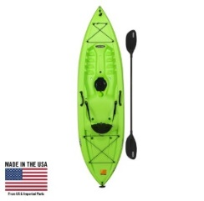 | In Stock
6 Sporting Goods | Spinning Reel and Fishing Rod Combo | IPX5 Sealed body and spool design | CNC Gear™ technology | HT-100™ carbon fiber drag washers | 5+1 sealed stainless steel ball bearing system | $135.99 |  | In Stock
6 Sporting Goods | 8-Person Family Tent | Sleeps 8 | 74" Center Height provides lots of head room | Fits up to 2 queen air mattresses or 8 sleeping bags | Removable room divider creates 2 rooms or one large space | $89.00 | 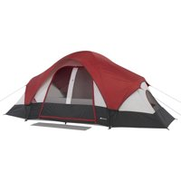 | In Stock
6 Sporting Goods | Break Barrel Air Rifle with Scope | All-Weather Synthetic Stock | 177cal Caliber | Nitro Piston reduce noise by 70 percent vs spring powered rifles | Pellet velocity: up to 1200fps (alloy), 1,000fps (lead) | $79.00 | 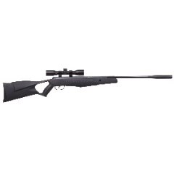 | In Stock
7 Packaged | Vienna Sausage | America's favorite | Gluten-free sausage | In chicken broth | Armour sausage | $5.74 |  | In Stock
7 Packaged | Light Tuna in Water | Contains 90mg of DHA and EPA Omega-3's per serving | StarKist tuna in water is dolphin safe | meets criteria for heart-healthy food | StarKist canned tuna is kosher | $7.88 |  | In Stock
7 Packaged | Spam Classic | Comes in 6, 12-oz cans | 140 calories per serving | No trans fat or sugars | Crazy tasty | $6.28 | 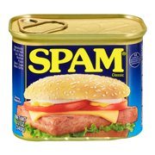 | In Stock
7 Packaged | Chunk Chicken Breast | handy item to take backpacking or camping | It is a natural for storms and power outages. | 12.5 oz | Already cooked | $7.48 |  | In Stock
7 Packaged | Corned Beef Hash | Delicious corned beef hash for breakfast | Microwave contents to reheat in minutes | 15 oz | Inspected and Passed by Department of Agriculture. | $5.22 | 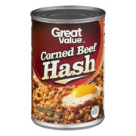 | In Stock
7 Packaged | Corned Beef | One 12 oz. can of Libby's Corned Beef | Fine quality Corned Beef | Fully cooked and ready to serve chilled or heated | Can be sliced and fried, crumbled, or cubed | $4.88 |  | In Stock
7 Packaged | White Chunk Chicken Breast | Ready-to-eat premium white chunk chicken breast | Each 12.5 oz. can has 3.5 servings | Chicken Meat with No Antibiotics | made from chickens farm-raised in the USA | $4.98 |  | In Stock
7 Packaged | Fresh Cut Golden Sweet Whole Kernel Corn | No Salt Added | 15.25 Oz | Naturally sweet and tender. | Tasty nutrition in every bite. | $4.08 |  | In Stock
7 Packaged | Original Baked Beans | Seasoned with bacon & brown sugar. | 98% Fat free. | High in fiber. | Gluten Free | $5.95 |  | In Stock
7 Packaged | Chili With Beans | Includes one 15-ounce can of WOLF BRAND Chili With Beans | Excellent source of iron per serving with no preservatives | Made with all-natural beef and pork | Made with vine-ripened tomatoes | $5.57 |  | In Stock
8 Movies | Avengers: Infinity War (DVD) | An unprecedented cinematic journey ten years in the making and spanning the entire Marvel Cinematic Universe | Infinity War brings to the screen the ultimate | The Avengers and their Super Hero allies must be willing to sacrifice all in an attempt to defeat the powerful Thanos |  | $14.15 |  | In Stock
8 Movies | Jurassic World: Fallen Kingdom (DVD) | It's been three years since theme park and luxury resort | Isla Nublar now sits abandoned by humans | When the island's dormant volcano begins roaring to life | Jurassic Then and Now - Presented by Barbasol | $12.95 |  | In Stock
8 Movies | Black Panther (DVD) | After the death of his father, the king of Wakanda | But when a powerful enemy reappears | Faced with treachery and danger |  | $14.97 | 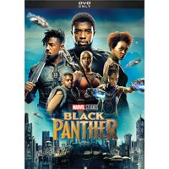 | In Stock
8 Movies | Rampage (Blu-ray + DVD + Digital) | the extraordinarily intelligent, silverback gorilla who has been in his care since birth. | When a greed-fueled corporation's genetic experiment goes awry | In an adrenaline-filled ride, Davis tries to find an antidote to not only halt a global catastrophe | VUDU Instawatch Included | $14.96 |  | In Stock
8 Movies | Bumblebee (Blu-ray + DVD) | Cybertron has fallen. | a teenager trying to find her place in the world | As the Decepticons hunt down the surviving Autobots with the help of a secret agency led by Agent Burns (John Cena) |  | $22.96 |  | In Stock
8 Movies | Don't Tell Mom The Babysitter's Dead (DVD) | COMEDY | Release Date: 12/15/2009 | Mom has taken a trip, leaving the kids with a babysitter. | Actors: Christina Applegate, Joanna Cassidy, Josh Charles, Keith Coogan, Concetta Tomei | $3.99 | 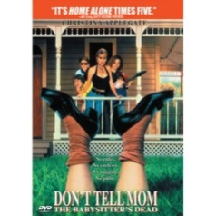 | In Stock
8 Movies | Second Act (Blu-ray + DVD + Digital Copy) | SECOND ACT is an inspirational comedy | As an experienced, quick-witted, perceptive employee | she gets the chance to prove that street smarts are as valuable as book smarts, | Actors Vanessa Hudgens, Jennifer Lopez, Larry Miller, Treat Williams, Leah Remini, Milo Ventimiglia, Dan Bucatinsky, Annaleigh Ashford, Freddie Stroma, Charlyne Yi | $19.96 |  | In Stock
8 Movies | Spider-man: Homecoming (DVD) | A young Peter Parker/Spider-Man (Tom Holland) | Thrilled by his experience with the Avengers | Peter tries to fall back into his normal daily routine | Actors Tom Holland,Michael Keaton,Robert Downey Jr. | $7.57 |  | In Stock
8 Movies | The Last Song (DVD) | An estranged father living in a small Southern beach town | He tries to connect with her through the only thing they have in common | Actors Bobby Coleman, Greg Kinnear, Miley Cyrus, Liam Hemsworth, Hallock Beals, Kelly Preston | Kids & Family | $3.99 |  | In Stock
8 Movies | A Quiet Place (DVD) | In this terrifyingly suspenseful thriller | Knowing that even the slightest whisper or footstep can bring death | Hailed by critics and audiences around the world, experience the must-see movie of the year. | VUDU Instawatch Included | $12.55 |  | In Stock
9 Video Games | Red Dead Redemption 2, Rockstar Games, Xbox One | The highest rated game on Xbox | From the creators of Grand Theft Auto V and Red Dead Redemption | Red Dead Online transforms the vast and deeply detailed landscapes, cities, towns and habitats of Red Dead Redemption 2 into a new | Create and customize your character | $39.88 | 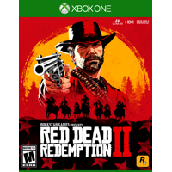 | In Stock
9 Video Games | NBA 2K19, 2K, Xbox One | 20 years of redefining what sports gaming can be. | From best in class graphics & gameplay to ground breaking game modes | NBA 2K19 continues to push limits as it brings gaming one step closer to real-life basketball excitement and culture. | Model VIPRB-NBA 2K19 (Xbox One) | $33.80 | 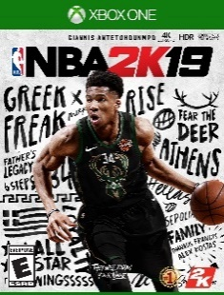 | In Stock
9 Video Games | UFC 3, Electronic Arts, Xbox One | EA SPORTS™ UFC® 3 revolutionizes fighting movement with Real Player Motion Tech | competitive fighting experience in franchise history. | players can build fight hype to gain fans | intense bouts where a highlight-reel knockout is always one strike away and victory can happen in the blink of an eye. | $19.99 | 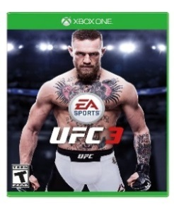 | In Stock
9 Video Games | WWE 2K19, 2K, Xbox One | WWE video game franchise and features cover Superstar AJ Styles. | WWE 2K19 will showcase a massive roster of popular WWE Superstars | Experience authentic WWE gameplay | STUNNING VISUALS | $24.80 |  | In Stock
9 Video Games | Playerunknowns Battlegrounds 1.0, Microsoft, Xbox One | Playerunknown's Battlegrounds is the definitive battle royale shooter | players drop into battle and must fight to stay alive | Spanning a variety of thrilling and immersive environments | Xbox live Gold required to play (sold separately). | $29.99 |  | In Stock
9 Video Games | Far Cry New Dawn, Ubisoft, Xbox One | Fight to survive in a post-apocalyptic world | Lead the fight against the highwaymen and their ruthless leaders | Liberate outposts and build up your home base | Embark on expeditions to recover exclusive rewards as you venture beyond Hope County. | $24.45 |  | In Stock
9 Video Games | Assassin's Creed III Remastered, Ubisoft, Xbox One | Enhanced graphics, now featuring 4K resolution | Gameplay mechanics have been revamped as well | Fight for freedom! | Assassinate your foes in a variety of deadly ways with a vast array of weaponry. | $39.99 | 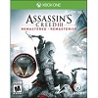 | In Stock
9 Video Games | Devil May Cry 5, Capcom, Xbox One | Legendary action series returns The 16 million unit selling series | A battle of good and evil A demonic invasion begins with the seeds of a demon tree taking root in Red Grave City. | Featuring three playable characters each with a radically different stylish combat play style as they take on the city overrun with demons. | Groundbreaking graphics Developed with Capcoms in-house proprietary Reengine | $59.99 |  | In Stock
9 Video Games | Trials Rising Gold Edition, Ubisoft, Xbox One | Extend your tour with the Expansion Pass | Go bananas with the Jungle Rider custom pack | Saddle up with the Wild West Rider custom pack, which includes a great cowboy outfit and rodeo headlights for your bike. | Defy the laws of gravity with the Stuntman Rider custom pack | $39.99 | 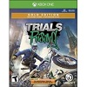 | In Stock
9 Video Games | The Sinking City, Maximum Games, Xbox One | PREORDER NOW and received the Investigator Pack and a Map of Oakmont! | An oppressive atmosphere and story inspired by the universe of H.P. Lovecraft | A vast open world that can be explored on foot, by boat, or even a diving suit | High replay value thanks to an open investigation system | $59.99 |  | In Stock
10 Music | Lady Antebellum (CD) | This is the self-titled debut album from Lady Antebellum | Co-writing most of the songs on this album including the first smash single quot | Lady Antebellum is a two-guys-and-a-girl trio comprised of co-lead singers Charlie Kelley and Hillary Scott with multi-instrumentalist Dave Haywood. | Kelley has a sturdy country baritone | $5.00 |  | In Stock
10 Music | Learn to Live | As the front man of Hootie & the Blowfish | Darius is attracting the attention of country fans who are discovering his voice for the first time | LEARN TO LIVE features 12 undeniable country hits and a voice that is unarguably Darius Rucker. | Darius Rucker's leap into country music is not a move without precedent for the Hootie & the Blowfish lead singer | $5.00 | 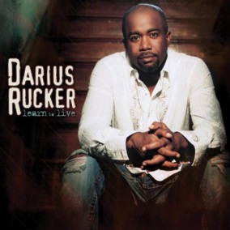 | In Stock
10 Music | Red River Blue (CD) | Reigning CMA Male Vocalist of the Year | Produced by multi-award winner | During it's first week the single sold over 138,000 digital singles | helton is fresh off his appearance as one of the musician coaches on NBC's THE VOICE along with superstars Christina Aguilera | $5.00 |  | In Stock
10 Music | Greatest Hits | Ray's been in the biz now for 50 years | it's time to have 'em all in one big silly fun collection. | 50th Anniversary Collection |  | $5.00 |  | In Stock
10 Music | Honeysuckle Rose | This 26-track soundtrack to Willie's first starring movie introduced his signature song | on the Road Again, and boasted some other great performers | Includes the previously unissued songs Good Hearted Woman and Yesterday's Wine |  | $4.99 |  | In Stock
10 Music | Me & My Gang (CD) | there has been more pop than country in Rascal Flatts' contemporary country-pop | although it is a little strange that in this version ya get your best friend Jack back before your wife | part from the vague reggae rhythm that fuels "Yes I Do" | it is hard for pop groups of any stripe to be both consistent and reliable | $5.00 |  | In Stock
10 Music | Time Well Wasted | This is the fourth album from 5 time CMA award winner Brad Paisley. | Now established as one of country music's finest entertainers | TIME WELL WASTED will be one of the most highly anticipated albums of the year. | Features the single quot;Alcohol.quot; | $5.00 | 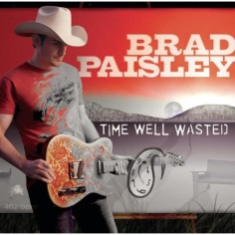 | In Stock
10 Music | Playlist: Very Best of (CD) | The very best of brooks & dunn |  |  |  | $5.00 |  | In Stock
10 Music | David Allan Coe 17 Greatest Hits | David Allan Coe's 17 Greatest Hits! |  |  |  | $5.00 | 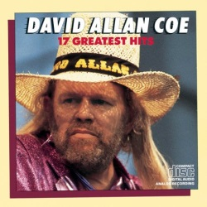 | In Stock
10 Music | Greatest Hits (CD) | This Greatest Hits compilation features 4 #1 singles, 8 top-10 hits | Sara Evans wasted no time getting back to what she does best in the music game after her divorce. | this is a compilation released just a week after the messy event was final | Greatest Hits is essentially every big single | $5.00 |  | In Stock
11 Outdoor Sports | Bear Archery Brave Youth | comes ready to shoot with two Safetyglass™ arrows | Set also includes Whisker Biscuit, 1-pin sight, finger rollers, armguard, and arrow quiver | Whisker Biscuit is the safest rest in archery industry and a $40 value | Recommended age range for youth children ages eight and older | $56.56 |  | In Stock
11 Outdoor Sports | 65" Hunting Take Down Recurve Bow | Draw Weight: 30 lbs | Overall Dimension (LxWxThickness): 64 3/16" x 11 13/16" x 2" (163 x 30 x 5 cm) | String Length: 63 3/8" x 63 3/4" (161 to 162 cm) | Recommended Arrow Length: 30" | $62.95 |  | In Stock
11 Outdoor Sports | Sentinel Long Bow Set | 2 composite youth arrows | 2-piece quiver | Arm guard for protection | Finger tab, sights and arrow rest included | $34.83 |  | In Stock
11 Outdoor Sports | Bow Right Handed Red | 1 cam, which means no tuning problems | Much less recoil | Adjustable weight: 10-20 lbs | Draw length: 15" to 30" | $145.98 |  | In Stock
11 Outdoor Sports | Classic NP Break Barrel Air Rifle with Scope | All-Weather Synthetic Stock | 177cal Caliber | Nitro Piston reduce noise by 70 percent vs spring powered rifles | Pellet velocity: up to 1200fps (alloy), 1,000fps (lead) | $79.00 |  | In Stock
11 Outdoor Sports | Vortex QE .22 Caliber Air Rifle | .22 Caliber: Max Velocity - 1,250 FPS Alloy / 1,000 FPS Lead | Max energy - 33 Ft Lbs | 2-stage adjustable Quattro Trigger | QuietEnergy Sound Moderator | $230.87 |  | In Stock
11 Outdoor Sports | Spincast Combo | New 33 reel with 6'0" 2-pc medium action glass rod | Pro taper EVA handle | Lightweight graphite frame | Dual stainless steel covers | $19.88 |  | In Stock
11 Outdoor Sports | Stik Crappie Spinning Reel and Fishing Rod Combo | Light action spinning rod | Durable aluminum spool | Dependable drag system | Ugly Stik® Clear Tip® design for strength and sensitivity | $49.74 | 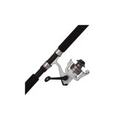 | In Stock
11 Outdoor Sports | Stand-Up Paddleboard | Center Carry Handle for Easy Transport to Waterfront | Durable High-Density Polyethylene (HDPE) Construction | EVA Deck Covering for Increased Traction | Front Deck Bungee for Accessible Storage | $499.99 |  | In Stock
11 Outdoor Sports | Stand Up Paddle Board | Lifetime Freestyle XL™ 98 Stand-Up Paddleboard | 9' 8" long x 35.5" wide x 6" thick | EVA foam pads | Paddleboard leash attachment loop | $310.99 | 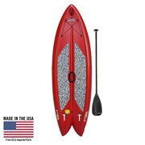 | In Stock
12 Indoor Sports | Junior Basketball | Durable rubber construction | Deep channels and enhanced pebbling for better performance | Recreational play | Size: 27.5" | $9.99 |  | In Stock
12 Indoor Sports | Composite Game Basketball | Top-Of-The-Line composite leather basketball | designed specifically for the Elite player looking for a premium indoor basketball | The Elite’s proprietary, advanced microfiber cover creates the perfect tack that won't absorb moisture | ensure you won’t feel lumps or get inconsistent bounces | $54.99 | 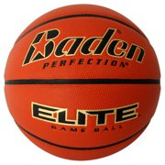 | In Stock
12 Indoor Sports | 29.5" Basketball - Black/Neon | Official NBA size and weight: Size 7, 29.5" | Soft Grip Technology cover | Neverflat air retention technology stays inflated for at least one year | Deep channel design for superior control | $24.99 |  | In Stock
12 Indoor Sports | Aluminum Tennis Racquet | Mid-size aluminum frame provides excellent stroke feedback | Quality instructional racquet made by a leading manufacturer | High-optic yellow frame for easy identification | Yellow tennis racquet is strung with high-quality nylon for long life | $17.99 |  | In Stock
12 Indoor Sports | Tennis Racquet | 100% Graphite Construction | Innegra composite construction is the lightest high-performance fiber in the world | Innegra composite will reduce harmful vibrations by 17% | Lightweight for great pick up feel and easy handling | $39.99 |  | In Stock
12 Indoor Sports | Tennis Racquet | Headsize: 115 sq. in. | Length: 27.75 in. | Balance: 15.16 in. head heavy | Stiffness (Babolat RDC): 76 | $74.99 | 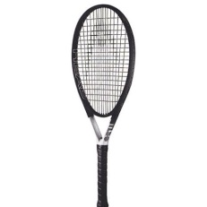 | In Stock
12 Indoor Sports | Adult Tennis Racquet | 100 sq. in. head size | 9.7 oz, standard 27" length | 16 by 19 string pattern, 23mm beam width | Graphite composite adult tennis racquet | $48.89 |  | In Stock
12 Indoor Sports | Racquetball Racquet | Entry-level option for the beginning racquetball player | 107 square inch head size | Crystal power system | Power zone string pattern for more power | $19.34 |  | In Stock
12 Indoor Sports | Racquetball Racquet | 3 5/8" Grip size | Perfect racquet for a beginner | Good value, durability racquet | made by a real racquetball brand | $21.49 |  | In Stock
12 Indoor Sports | Paddleball Racquet | For competitive play | 7-ply laminated 9mm wood construction | Lawn game paddleball racquet has a 50-hole face | Measures 15.75" x 8" | $11.27 |  | In Stock
13 Kitchen ware | 18-Piece Nonstick Cookware Set | patterned gray interior nonstick coating for easy cooking and cleaning | Riveted, stay-cool handles | allow easy monitoring of cooking progress | Dishwasher-safe | $37.60 |  | In Stock
13 Kitchen ware | Total Kitchen 83-Piece Combo Set | 83 piece kitchen set includes everything you need | 9.75" aluminum fry pan | 6-piece stainless steel cookware set | 16-piece flatware Set | $54.95 |  | In Stock
13 Kitchen ware | 9-Piece Simple Cooking Nonstick Cookware Set | Red Enjoy stress-free, healthy cooking | you don't need and the glass lids allow you to keep a close eye on your cooking. | Suitable for electric stove, gas stove and ceramic hobs. | The handles are ergonomically designed | $20.33 |  | In Stock
13 Kitchen ware | Steak Knives | 8 Pc Superior Steak knives | Great For BBQ, Weddings, Dinners, Parties, All Homes & Kitchens | Stainless Steel | Tarnish-Resistant, Rust-Resistant | $16.58 |  | In Stock
13 Kitchen ware | Granite-Ware 12 Quart Stock Pot | Carbon steel core | Nonstick surface | Cooks evenly | Its innovative construction adds no chemicals to the food | $9.08 |  | In Stock
13 Kitchen ware | Knife Set Stainless Steel | 6 Piece Purple Knife Set | For Easy Cutting & Carving | Great for Use in Cooking | Tarnish-Resistant, Rust-Resistant | $13.52 |  | In Stock
13 Kitchen ware | Ware 2 Pc Oven Bacon Set | Best possible way to make bacon in the oven | Can be used for jerky, dried fruits or crisp fries | Easily drain excess oils with specially designed corners | Dishwasher safe | $14.88 |  | In Stock
13 Kitchen ware | Nonstick Heavyweight Aluminum Bundt Pan | Aluminum Bundt Pan Bundt cakes are unique and appreciated ways to celebrate birthdays | A fun addition to any kitchen | Take any cake recipe and add unexpected beauty to it | This pan adds extra oomph to any cake. | $12.43 |  | In Stock
13 Kitchen ware | Clear Cutlery Forks & Spoons | Reliably strong | Perfect for entertaining | Easy on-the-go packaging | 120 count: 60 forks, 60 spoons | $6.84 |  | In Stock
13 Kitchen ware | Reusable Plastic Plates | BPA- and melamine-free | Durable construction that will not crack, chip or break | Use of sharp metal utensils on this product may scratch surface appearance but will not affect performance | Everyday Reusable Two Plastic Plates | $17.40 |  | In Stock

